Sheet1
 | Document No. |  | Issue No. | Issue Date |  | Review and Replace Date |  | Authorised By
 | GFF568MC |  | 1 | 29.07.2026 |  | New issue |  | Magda Shah
 | Document Title |  | DMG- 15 Chicken Samosa 120g- Thailand 1800g

Document amendments reason for change | New document |  | Page 1 of 1 |  | Previous Issue Date |  | New issue | Uncontrolled copy unless signed original

FCSAJ2-B15BDM |  | DANORA- Musgraves |  | DMG- 15 Chicken Samosa 120g- Thailand 1800g | FROZEN
STEP 1 |  |  |  |  | STEP 2
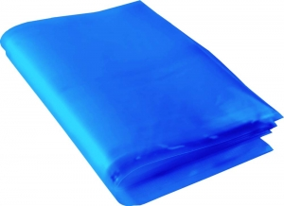 |  |  |  |  | 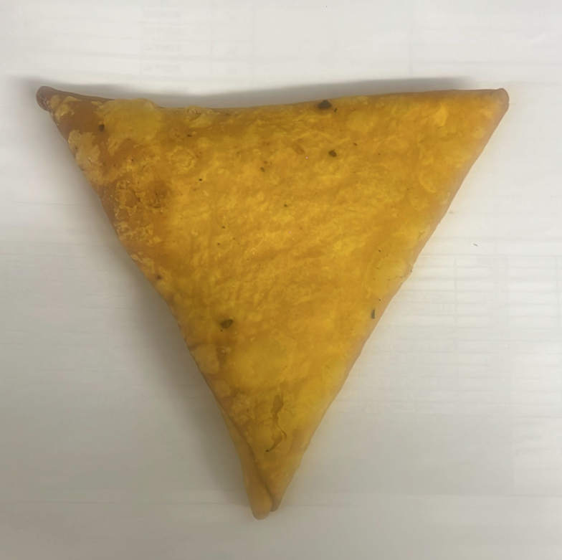
FROZEN
PACK + 1 year
NEW RECIPE
(GFF569R) WI

Blue Bag: Blue Tint Bags Plain (FREEZER BAG) (PKPMC001-02) |  |  |  |  | 15 x Danora Chicken Samosa 120g- Thailand (GFF569R): 1800g

STEP 3
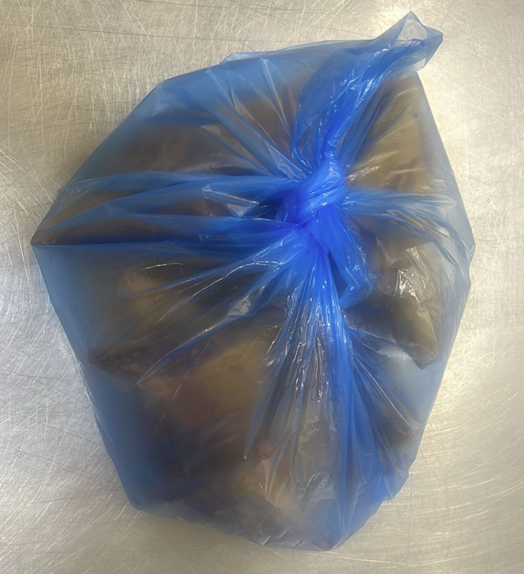 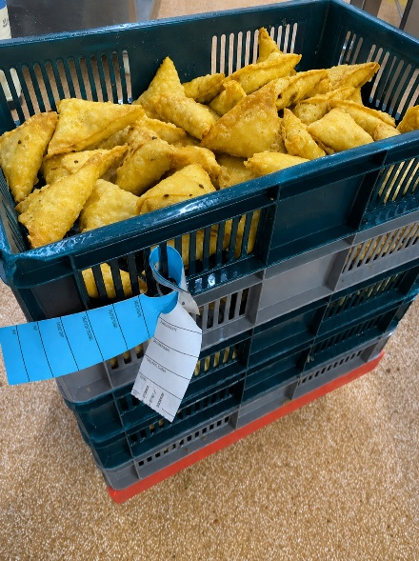

Colour coded tags- BLUE & WHITE should be on the DMG - Chicken Samosa 120g (Yellow Thick Pastry)

TOTAL WEIGHT: 1800g

ALLERGY ALERT: WHEAT, SOYA

